Project1113
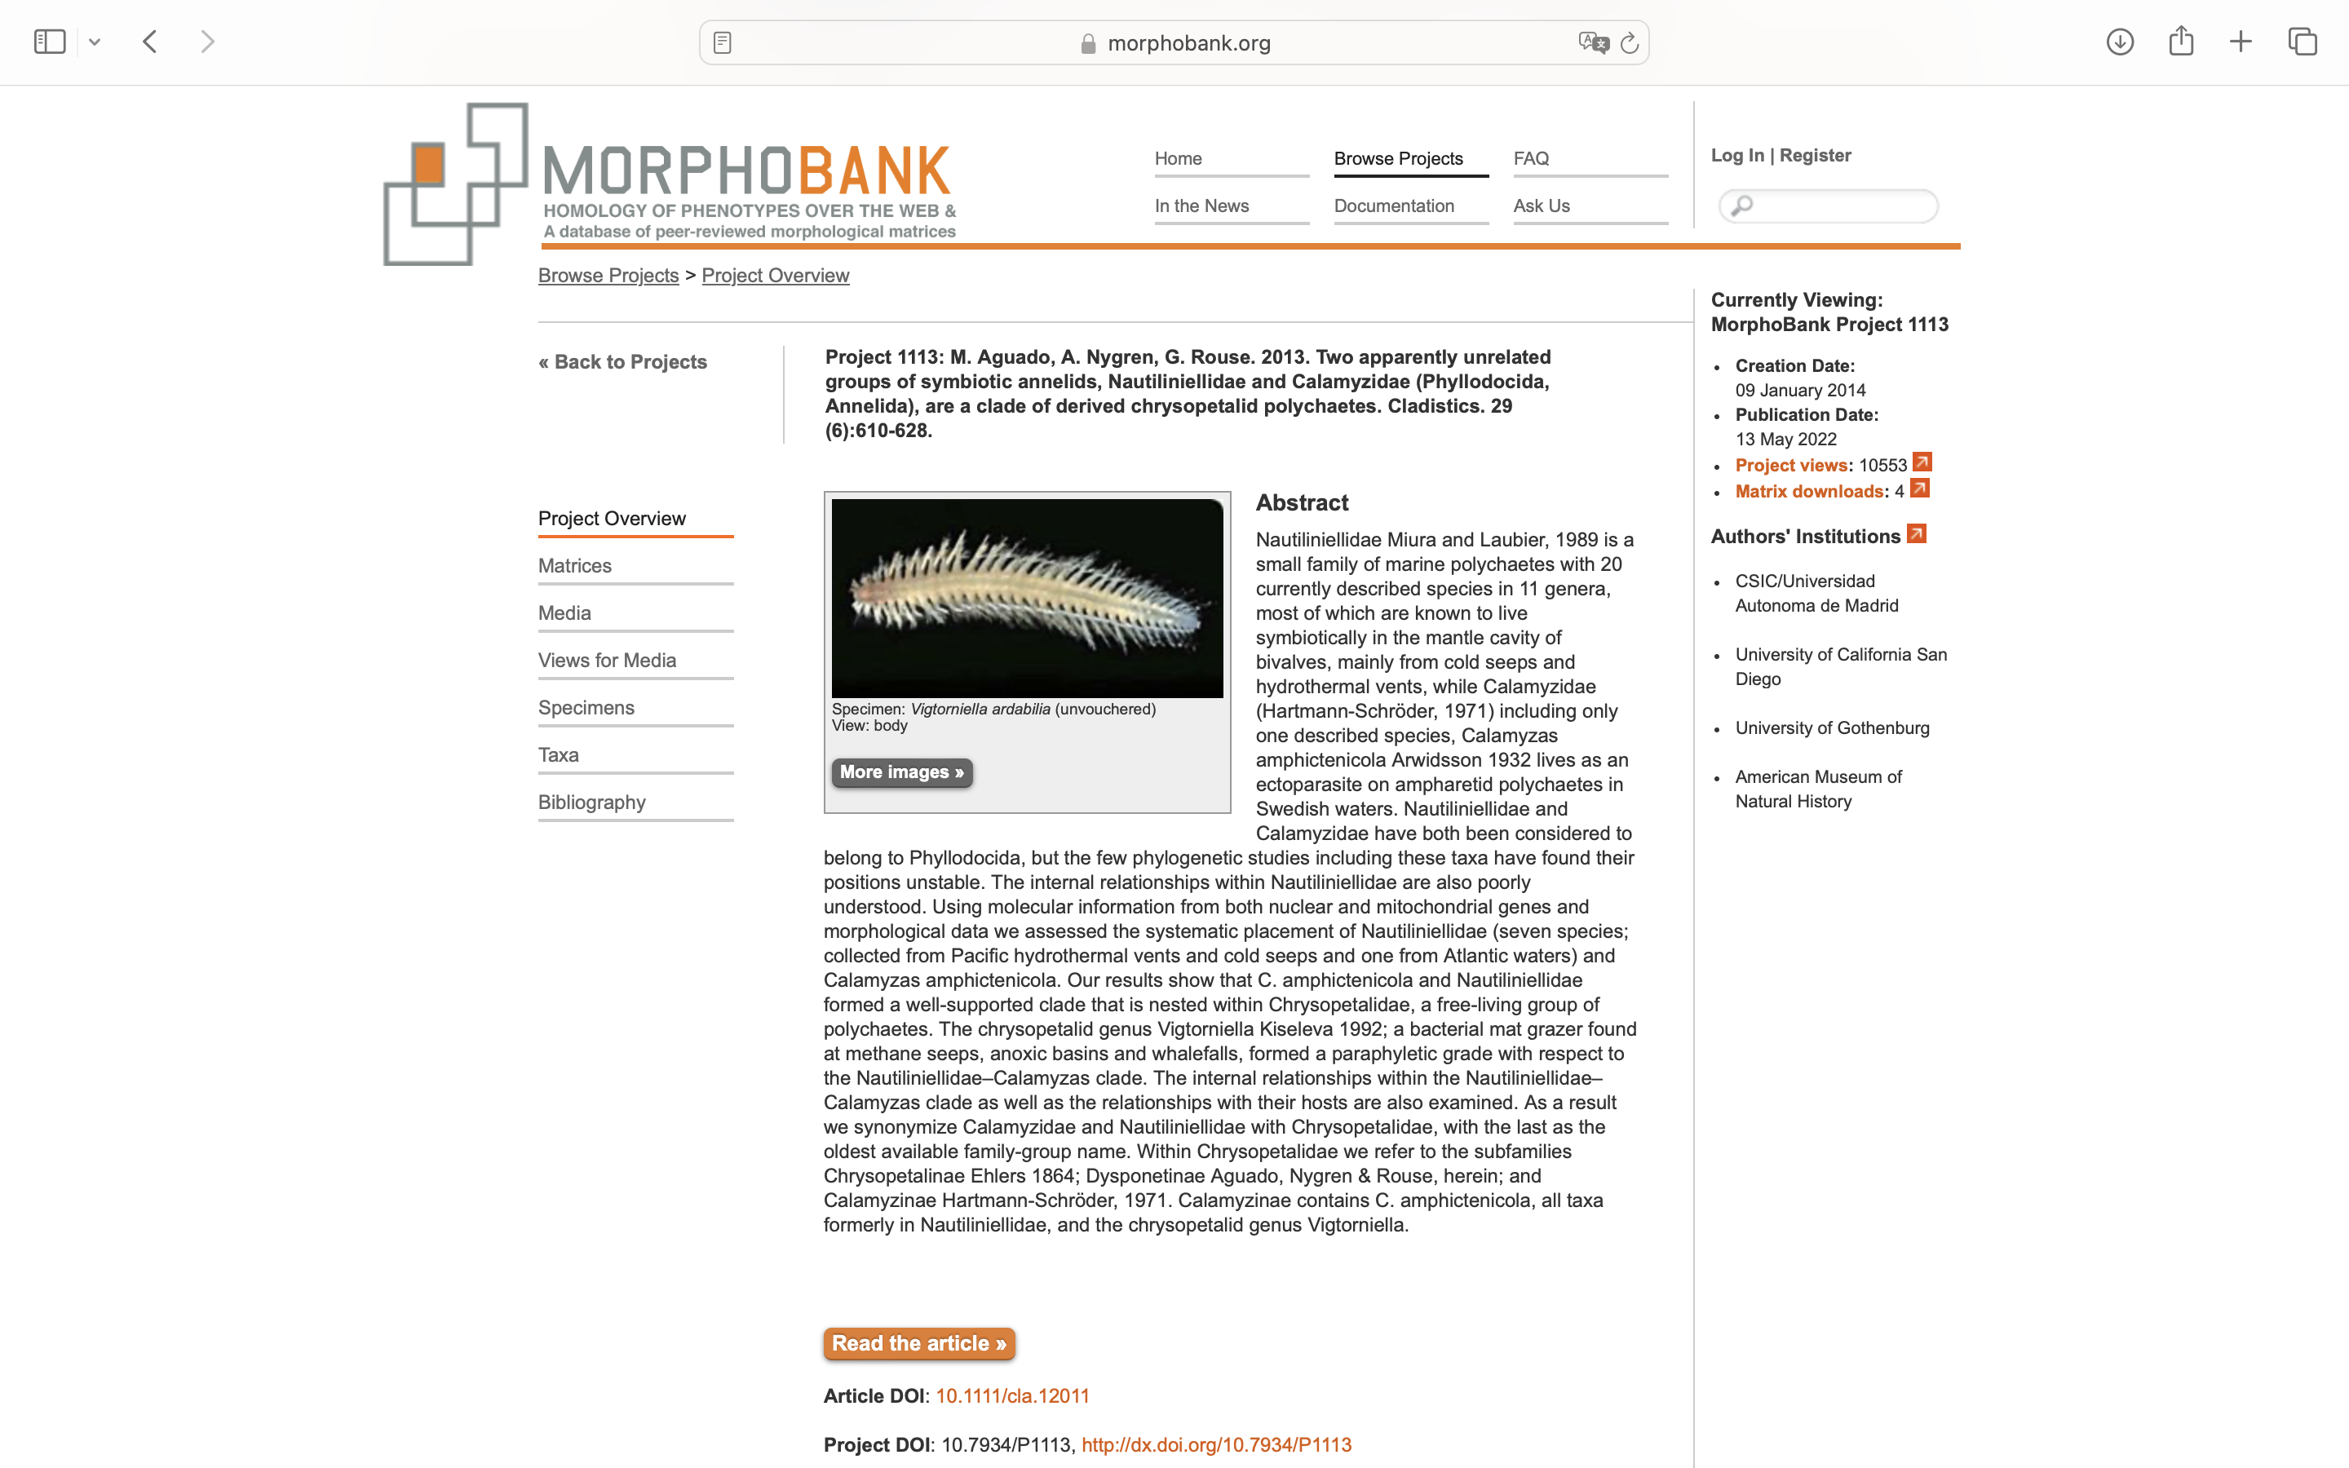
Charlabels | Character Pattern | Unseen States
[1] 'Eyes' | Neomorphic | NO
[2] 'Number of eyes' | Transformational | YES
[3] 'Median antenna' | Neomorphic | NO
[4] 'Lateral antenna' | Neomorphic | NO
[5] 'Differentiated paired antennae and palps' | Neomorphic | NO
[6] 'Biarticulated palps' | Neomorphic | NO
[7] 'Ventrolateral palps' | Neomorphic | NO
[8] 'Jaws' | Neomorphic | NO
[9] 'Stylet shaped jaws' | Neomorphic | NO
[10] 'Dorsal tooth' | Neomorphic | NO
[11] 'Transversee proboscis groove' | Neomorphic | NO
[12] 'Pharynx' | Transformational | NO
[13] 'Pharynx differentiation' | Transformational | YES
[14] 'Proboscis terminal ring' | Transformational | YES
[15] 'Proboscis surface' | Transformational | YES
[16] 'Ciliated surface' | Neomorphic | NO
[17] 'Caruncle' | Neomorphic | NO
[18] 'Mouth flap' | Neomorphic | NO
[19] 'Dorsal cirri on segment one' | Neomorphic | NO
[20] 'First dorsal cirri differs from others' | Neomorphic | NO
[21] 'Ventral cirri on segment 1' | Neomorphic | NO
[22] 'Ventral cirri on segment 2' | Neomorphic | NO
[23] 'Chaetae on segment 1' | Neomorphic | NO
[24] 'Dorsal cirri' | Transformational | YES
[25] 'Length of dorsal cirri' | Transformational | YES
[26] 'Annulated dorsal cirri' | Neomorphic | NO
[27] 'Enlarged cirrophores' | Neomorphic | NO
[28] 'Notochaetae' | Neomorphic | NO
[29] 'Paleae' | Neomorphic | NO
[30] 'Paleae with internal ribs' | Neomorphic | NO
[31] 'Compound neurochaetae' | Neomorphic | NO
[32] 'Chambered neurochaetae' | Neomorphic | NO
[33] 'Longitudinal channels within neurochaetae' | Neomorphic | NO
[34] 'Differentiated neurochaetae (hooks and sigmoid chaetae) in adults' | Neomorphic | NO
[35] 'Notoaciculae' | Neomorphic | NO
[36] 'Multiple neuroaciculae in median segments' | Neomorphic | NO
[37] 'pygidium as a circular structure' | Neomorphic | NO
[38] 'pygidial cirri' | Neomorphic | NO
[39] 'median pygidial papilla' | Neomorphic | NO
[40] 'Circular muscles' | Neomorphic | NO
[41] 'Glands in cirrophores' | Neomorphic | NO
[42] 'Gametes obvious in notopodia' | Neomorphic | NO

